Scenarios
Scenario ID | Test Scenario | Description | No of test cases
1 | Integration testing | Merge Front end and Back end Successfully | 7
2 | Login Functionality | Validate login functionality of site to make sure that only staff can log on to site | 11
2.1 | UI Login | Validate User interface in accordance with w3c | 3
2.2 | Login security measures | Validate security checks to restrict access and hackers | 8
3 | Registration functionality | Validate registration | 5
3.1 | UI Registration | Validate User interface in accordance with w3c | 3
3.2 | Registration security measures | Validate security checks to restrict access and hackers | 2
4 | UI Forum | Validate User interface in accordance with w3c | 17
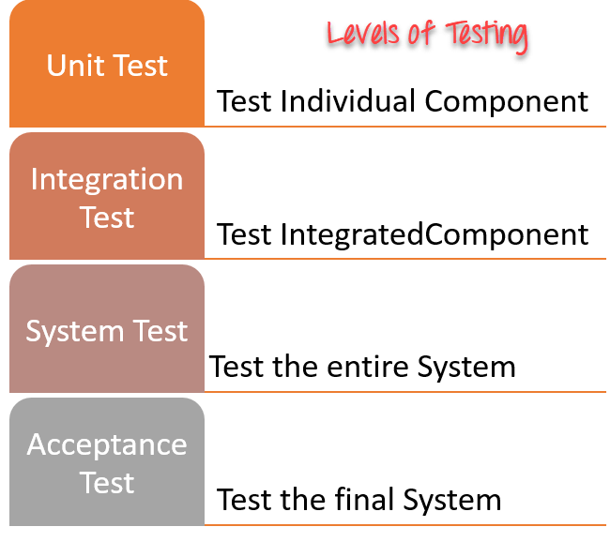
4.1 | Forum Functionality | Validate all the functionality of the forum selection | 12
4.2 | Forum security measures | Validate security checks to restrict access and hackers | 3
5 | UI Forum Selection | Validate User interface in accordance with w3c | 7
5.1 | Forum Selection Functionality | Validate all the functionality of the forum | 3
5.2 | Forum Selection security measures | Validate security checks to restrict access and hackers | 1
6 | Compliance testing |  | 7
7 | QA management UI | Validate User interface in accordance with w3c | 6
7.1 | QA management Functionality | Validate all the functionality of the qa management | 10
7.2 | QA management security measures | Validate security checks to restrict access and hackers | 0
8 | Top ideas UI | Validate User interface in accordance with w3c | 2
8.1 | Top ideas Functionality | Validate all the functionality of the Top ideas | 5
8.2 | Top ideas security measures | Validate security checks to restrict access and hackers | 0
9 | View Ideas UI | Validate User interface in accordance with w3c | 2
9.1 | View Ideas Functionality | Validate all the functionality of the View_ideas | 4
9.2 | View Ideas security measures | Validate security checks to restrict access and hackers | 0
10 | System Testing | Functional and Non-Functional Testing
11 | integration testing | Merging front end and back end | 8

